ISS reports summary
Cumulative cases w/ symptom onset or diagnosis/swab date and cumulative reported cases. Source: ISS.
 | cumulative incidence of cases w/ symptom onset date | cumulative incidence of cases w/ diagnosis/swab date | cumulative reported cases
2020-03-09 | 4555 | 7812 | 8342
2020-03-10
2020-03-11
2020-03-12 | 8331 | 13323 | 13882
2020-03-13
2020-03-14
2020-03-15
2020-03-16 | 13601 | 24346 | 25028
2020-03-17 | 16181 | 27224 | 28293
2020-03-18 | 17389 | 30722 | 31772
2020-03-19 | 18966 | 34927 | 35731
2020-03-20 | 21157 | 39981 | 42220
2020-03-21 | 22993 | 46584 | 48452
2020-03-22 | 28330 | 50246 | 52796
2020-03-23 | 29603 | 55059 | 57989
2020-03-24 | 31959 | 59203 | 62844
2020-03-25 | 34371 | 64130 | 67814
2020-03-26 | 37403 | 70418 | 73780
2020-03-27 | 44204 | 76714 | 79968
2020-03-28 | 46704 | 82510 | 85308
2020-03-29 | 48525 | 87038 | 89967
2020-03-30 | 53084 | 90972 | 94312
2020-03-31 | 55280 | 95077 | 98716
2020-04-01 | 57951 | 98500 | 102669
2020-04-02 | 60313 | 101994 | 106399
2020-04-03 | 63084 | 107342 | 112401
2020-04-04 | 65145 | 111692 | 117050
2020-04-05 | 70012 | 116363 | 120290
2020-04-06 | 71354 | 120570 | 124527
2020-04-07 | 73040 | 123801 | 127790
2020-04-08 | 75897 | 127642 | 131751
2020-04-09 | 77927 | 131995 | 136110
2020-04-10 | 77878 | 133700 | 139377
2020-04-11 | 81792 | 139347 | 143199
2020-04-12 | 82648 | 142425 | 146321
2020-04-13 | 83817 | 146233 | 150189
2020-04-14
2020-04-15 | 86392 | 151212 | 155467
2020-04-16 | 87954 | 155133 | 159107
2020-04-17 | 90191 | 157904 | 162004
2020-04-18
2020-04-19
2020-04-20 | 93188 | 165282 | 169325
2020-04-21
2020-04-22 | 95815 | 169779 | 173730
2020-04-23 | 97568 | 173325 | 177143
2020-04-24 | 109766 | 179451 | 183269
2020-04-25
2020-04-26
2020-04-27 | 118063 | 193301 | 197096
...
day of week | date | time | cumulative incidence of cases w/ symptom onset date | cumulative incidence of cases w/ diagnosis/swab date | cumulative reported cases | cumulative reported deaths
Mon | 2020-03-09 | 16:00:00 | 4555 | 7812 | 8342 | 357
Tue | 2020-03-10 | 16:00:00
Wed | 2020-03-11 | 16:00:00
Thu | 2020-03-12 | 16:00:00 | 8331 | 13323 | 13882 | 803
Fri | 2020-03-13 | 16:00:00
Sat | 2020-03-14 | 16:00:00
Sun | 2020-03-15 | 16:00:00
Mon | 2020-03-16 | 16:00:00 | 13601 | 24346 | 25028 | 1647
Tue | 2020-03-17 | 16:00:00 | 16181 | 27224 | 28293 | 2003
Wed | 2020-03-18 | 16:00:00 | 17389 | 30722 | 31772 | 2390
Thu | 2020-03-19 | 16:00:00 | 18966 | 34927 | 35731 | 3047
Fri | 2020-03-20 | 16:00:00 | 21157 | 39981 | 42220 | 3200
Sat | 2020-03-21 | 16:00:00 | 22993 | 46584 | 48452 | 3770
Sun | 2020-03-22 | 16:00:00 | 28330 | 50246 | 52796 | 4465
Mon | 2020-03-23 | 16:00:00 | 29603 | 55059 | 57989 | 5019
Tue | 2020-03-24 | 16:00:00 | 31959 | 59203 | 62844 | 5542
Wed | 2020-03-25 | 16:00:00 | 34371 | 64130 | 67814 | 6157
Thu | 2020-03-26 | 16:00:00 | 37403 | 70418 | 73780 | 6801
Fri | 2020-03-27 | 16:00:00 | 44204 | 76714 | 79968 | 7590
Sat | 2020-03-28 | 16:00:00 | 46704 | 82510 | 85308 | 8460
Sun | 2020-03-29 | 17:00:00 | 48525 | 87038 | 89967 | 9220
Mon | 2020-03-30 | 18:00:00 | 53084 | 90972 | 94312 | 10026
Tue | 2020-03-31 | 19:00:00 | 55280 | 95077 | 98716 | 10943
Wed | 2020-04-01 | 16:00:00 | 57951 | 98500 | 102669 | 11857
cumulative reported deaths. Source: ISS.
 | cumulative reported deaths
2020-03-09 | 357
2020-03-10
2020-03-11
2020-03-12 | 803
2020-03-13
2020-03-14
2020-03-15
2020-03-16 | 1647
2020-03-17 | 2003
2020-03-18 | 2390
2020-03-19 | 3047
2020-03-20 | 3200
2020-03-21 | 3770
2020-03-22 | 4465
2020-03-23 | 5019
2020-03-24 | 5542
2020-03-25 | 6157
2020-03-26 | 6801
2020-03-27 | 7590
2020-03-28 | 8460
2020-03-29 | 9220
2020-03-30 | 10026
2020-03-31 | 10943
2020-04-01 | 11857
2020-04-02 | 12550
2020-04-03 | 13241
2020-04-04 | 13828
2020-04-05 | 14381
2020-04-06 | 14860
2020-04-07 | 15751
2020-04-08 | 16162
2020-04-09 | 16654
2020-04-10 | 17364
2020-04-11 | 17916
2020-04-12 | 18366
2020-04-13 | 18641
2020-04-14
2020-04-15 | 19508
2020-04-16 | 19996
2020-04-17 | 20531
2020-04-18
2020-04-19
2020-04-20 | 21551
2020-04-21
2020-04-22 | 22586
2020-04-23 | 23188
2020-04-24 | 23576
2020-04-25
2020-04-26
2020-04-27 | 24780
...
Thu | 2020-04-02 | 16:00:00 | 60313 | 101994 | 106399 | 12550
Fri | 2020-04-03 | 16:00:00 | 63084 | 107342 | 112401 | 13241
Sat | 2020-04-04 | 16:00:00 | 65145 | 111692 | 117050 | 13828
Sun | 2020-04-05 | 16:00:00 | 70012 | 116363 | 120290 | 14381
Mon | 2020-04-06 | 16:00:00 | 71354 | 120570 | 124527 | 14860
Tue | 2020-04-07 | 16:00:00 | 73040 | 123801 | 127790 | 15751
Wed | 2020-04-08 | 16:00:00 | 75897 | 127642 | 131751 | 16162
Thu | 2020-04-09 | 16:00:00 | 77927 | 131995 | 136110 | 16654
Fri | 2020-04-10 | 16:00:00 | 77878 | 133700 | 139377 | 17364
Sat | 2020-04-11 | 16:00:00 | 81792 | 139347 | 143199 | 17916
Sun | 2020-04-12 | 16:00:00 | 82648 | 142425 | 146321 | 18366
Mon | 2020-04-13 | 16:00:00 | 83817 | 146233 | 150189 | 18641
Tue | 2020-04-14 | 16:00:00
Wed | 2020-04-15 | 16:00:00 | 86392 | 151212 | 155467 | 19508
Thu | 2020-04-16 | 16:00:00 | 87954 | 155133 | 159107 | 19996
Fri | 2020-04-17 | 16:00:00 | 90191 | 157904 | 162004 | 20531
Sat | 2020-04-18 | 16:00:00
Sun | 2020-04-19 | 16:00:00
Mon | 2020-04-20 | 16:00:00 | 93188 | 165282 | 169325 | 21551
Tue | 2020-04-21 | 16:00:00
Wed | 2020-04-22 | 16:00:00 | 95815 | 169779 | 173730 | 22586
Thu | 2020-04-23 | 16:00:00 | 97568 | 173325 | 177143 | 23188
Fri | 2020-04-24 | 16:00:00 | 109766 | 179451 | 183269 | 23576
Sat | 2020-04-25 | 16:00:00
Sun | 2020-04-26 | 16:00:00
Mon | 2020-04-27 | 16:00:00 | 118063 | 193301 | 197096 | 24780
Tue | 2020-04-28 | 16:00:00 | 125629 | 195715 | 199470 | 25215
Wed | 2020-04-29 | 16:00:00
Thu | 2020-04-30 | 16:00:00 |  |  | 203545 | 25855
Fri | 2020-05-01 | 16:00:00 | 125955 | 201077 | 204576 | 26049
Sat | 2020-05-02 | 16:00:00
Sun | 2020-05-03 | 16:00:00
Mon | 2020-05-04 | 16:00:00 | 123955 | 205891 | 209254 | 26892
Tue | 2020-05-05 | 16:00:00
Wed | 2020-05-06 | 16:00:00 | 126168 | 209216 | 212532 | 27402
Thu | 2020-05-07 | 16:00:00 | 128038 | 210792 | 214103 | 27955
Fri | 2020-05-08 | 16:00:00 | 139566 | 212385 | 215665 | 28274
Sat | 2020-05-09 | 16:00:00
Sun | 2020-05-10 | 16:00:00
Mon | 2020-05-11 | 16:00:00 | 147572 | 215808 | 218997 | 28903
Tue | 2020-05-12 | 16:00:00
Wed | 2020-05-13 | 16:00:00 | 153006 | 218123 | 221133 | 29525
Thu | 2020-05-14 | 16:00:00 | 154883 | 219189 | 222074 | 29692
Fri | 2020-05-15 | 16:00:00 | 156673 | 220513 | 223095 | 29884
Sat | 2020-05-16 | 16:00:00
Sun | 2020-05-17 | 16:00:00
Mon | 2020-05-18 | 16:00:00 | 161522 | 222939 | 225549 | 30332
Tue | 2020-05-19 | 16:00:00
Wed | 2020-05-20 | 16:00:00
Thu | 2020-05-21 | 16:00:00 | 166142 | 225054 | 227615 | 31096
Fri | 2020-05-22 | 16:00:00 | 167490 | 225788 | 228418 | 31248
Sat | 2020-05-23 | 16:00:00
Sun | 2020-05-24 | 16:00:00
Mon | 2020-05-25 | 16:00:00 | 170563 | 227719 | 230414 | 31546
Tue | 2020-05-26 | 16:00:00 | 171053 | 228125 | 230811 | 31676
Wed | 2020-05-27 | 16:00:00 | 172193 | 228388 | 231030 | 31722
Thu | 2020-05-28 | 16:00:00
Fri | 2020-05-29 | 16:00:00 | 173970 | 229701 | 232269 | 31936
Sat | 2020-05-30 | 16:00:00
Sun | 2020-05-31 | 16:00:00
Mon | 2020-06-01 | 16:00:00 | 175920 | 231076 | 233607 | 32235
Tue | 2020-06-02 | 16:00:00
Wed | 2020-06-03 | 16:00:00 | 177108 | 231617 | 234119 | 32354
Thu | 2020-06-04 | 16:00:00
Fri | 2020-06-05 | 16:00:00
Sat | 2020-06-06 | 16:00:00
Sun | 2020-06-07 | 16:00:00
Mon | 2020-06-08 | 16:00:00 | 180178 | 233784 | 235579 | 32722
Tue | 2020-06-09 | 16:00:00
Wed | 2020-06-10 | 16:00:00 | 181453 | 234316 | 236076 | 32867

Italy cases by diagnosis 10jun
Date | Day (category mi) | raw # of cases by diagnosis date (frequency fi) | rounded # of cases by diagnosis date (frequency fi) | Accumulative # of cases (rounded) | raw # of cases by <diagnosis date (frequency fi) - provisional | rounded # of cases by diagnosis date (frequency fi) - provisional | Accumulative # of cases (rounded) - provisional | mifi | mifi provisional | (mi-μ)2fi | WebPlotDigitazer digitization software (https://apps.automeris.io/wpd/) has been used to digitize from pdf graph. The points were extracted manually. The fixed value error bar refers to bar extraction algorithm. Actual errors related to the manual process may differ. |  |  | Image size (px) h x v | 2111 | x | 1587 | val. min | -1099.1 | val. max | 6639.3 | ∆x= | 10 | px | ∆val= | 1 | px
2020-01-01 | 1 |  |  |  |  |  |  |  |  |  |  |  |  |  |  | val / px | 4.8761184625 |  |  |  | Estimated Manual Extraction Error (EMEE) = |  |  |  | err. bar= | 5 | val x point
2020-01-02 | 2 |  |  |  |  |  |  |  |  |  | Sample size of the source | 234316 | Data source: | https://www.epicentro.iss.it/en/coronavirus/bollettino/Infografica_10giugno%20ENG.pdf |  |  |  |  |  |  | Estimated Axis Calibration Error (EACE) = |  |  |  | '' | '' | ''
Incidence of cases by diagnosis/swab date from 24-jan to 10-jun 2020. Source: ISS*. (*manual extraction from source graph)
 | rounded # of cases by diagnosis date (frequency fi) | rounded # of cases by diagnosis date (frequency fi) - provisional
2020-01-25
2020-01-26
2020-01-27
2020-01-28
2020-01-29 | 7
2020-01-30
2020-01-31
2020-02-01
2020-02-02
2020-02-03
2020-02-04
2020-02-05
2020-02-06
2020-02-07
2020-02-08
2020-02-09
2020-02-10
2020-02-11
2020-02-12
2020-02-13
2020-02-14
2020-02-15
2020-02-16
2020-02-17
2020-02-18
2020-02-19
2020-02-20 | 7
2020-02-21 | 36
2020-02-22 | 55
2020-02-23 | 75
2020-02-24 | 90
2020-02-25 | 197
2020-02-26 | 280
2020-02-27 | 290
2020-02-28 | 358
2020-02-29 | 373
2020-03-01 | 407
2020-03-02 | 636
2020-03-03 | 812
2020-03-04 | 1081
2020-03-05 | 1310
2020-03-06 | 1549
2020-03-07 | 1413
2020-03-08 | 1476
2020-03-09 | 2233
2020-03-10 | 2467
2020-03-11 | 2770
2020-03-12 | 3151
2020-03-13 | 4127
2020-03-14 | 3566
...
https://www.epicentro.iss.it/en/coronavirus/bollettino/Infografica_10giugno%20ENG.pdf
2020-01-03 | 3 |  |  |  |  |  |  |  |  |  | Sample size of the extracted ds | 234552 | 236
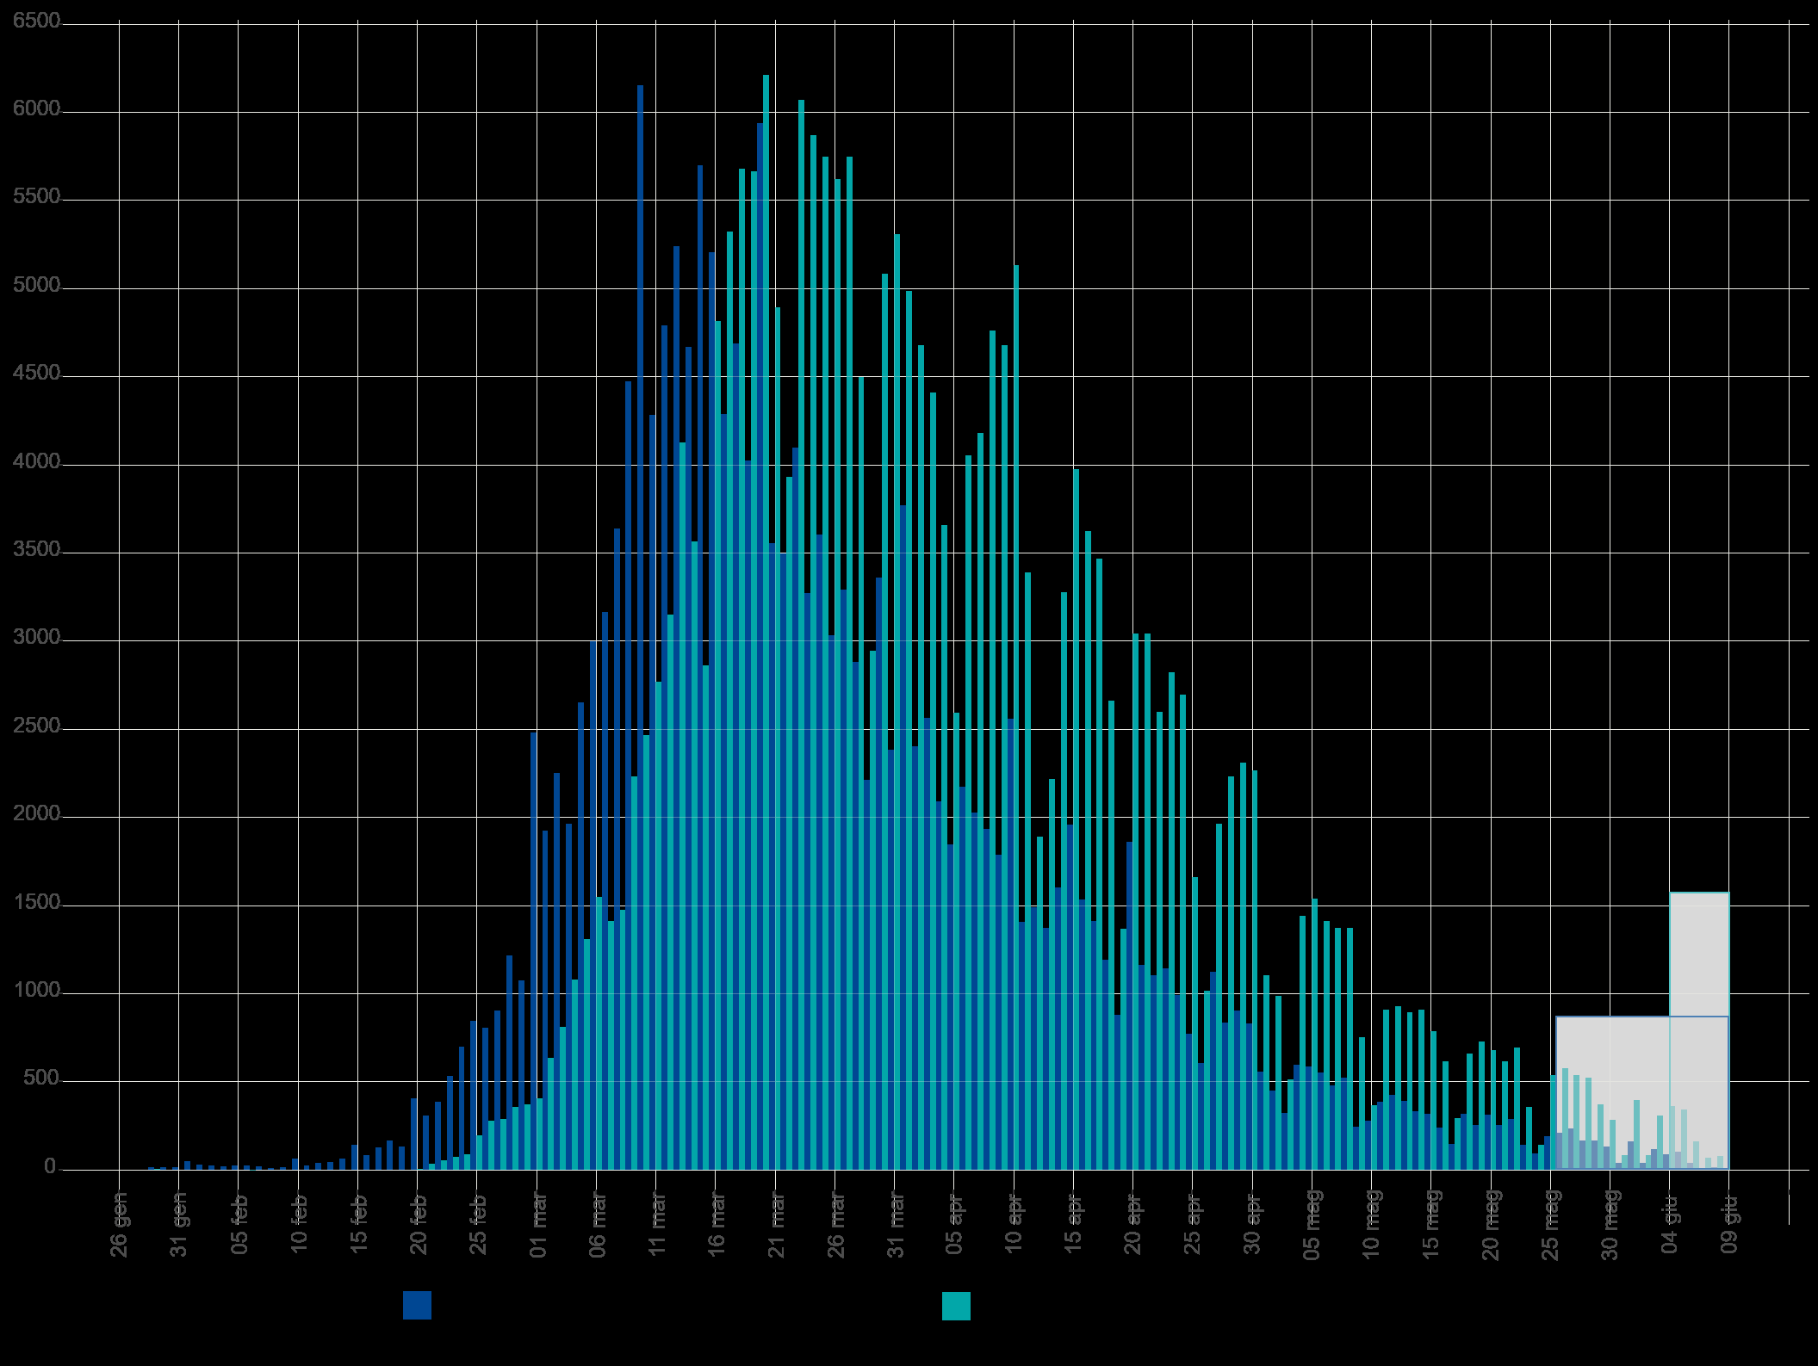
2020-01-04 | 4 |  |  |  |  |  |  |  |  |  | Blue area sample size | 230358 | excess-->
2020-01-05 | 5 |  |  |  |  |  |  |  |  |  | Grey area sample size | 4194
2020-01-06 | 6 |  |  |  |  |  |  |  |  |  |  | Day of the year | DD-Mmm
2020-01-07 | 7 |  |  |  |  |  |  |  |  |  | Mean of extracted sample* | 95 | 2020-04-04
2020-01-08 | 8 |  |  |  |  |  |  |  |  |  | Mean of blue area sample | 94 | 2020-04-03
2020-01-09 | 9 |  |  |  |  |  |  |  |  |  | SD of blue area sample | 18
2020-01-10 | 10 |  |  |  |  |  |  |  |  |  | (*the standard error of the sample mean (SEM) is negligible)
2020-01-11 | 11 |  |  |  |  |  |  |  |  |  | Mode of blue area sample | 80 | 2020-03-20
2020-01-12 | 12 |  |  |  |  |  |  |  |  |  | Median of blue area sample** | 91 | 2020-03-31
2020-01-13 | 13 |  |  |  |  |  |  |  |  |  | (**approx. ± 1 day)
2020-01-14 | 14
2020-01-15 | 15
2020-01-16 | 16
2020-01-17 | 17
2020-01-18 | 18
2020-01-19 | 19
2020-01-20 | 20
2020-01-21 | 21
2020-01-22 | 22
2020-01-23 | 23
2020-01-24 | 24
2020-01-25 | 25
2020-01-26 | 26
2020-01-27 | 27
2020-01-28 | 28
2020-01-29 | 29 | 7 | 7 | 7 |  |  |  | 203 |  | 29575
2020-01-30 | 30 |  |  | 7
2020-01-31 | 31 |  |  | 7
2020-02-01 | 32 |  |  | 7
2020-02-02 | 33 |  |  | 7
2020-02-03 | 34 |  |  | 7
2020-02-04 | 35 |  |  | 7
2020-02-05 | 36 |  |  | 7
2020-02-06 | 37 |  |  | 7
2020-02-07 | 38 |  |  | 7
2020-02-08 | 39 |  |  | 7
2020-02-09 | 40 |  |  | 7
2020-02-10 | 41 |  |  | 7
Accumulative # of cases by diagnosis/swab date from 24-jan to 10-jun 2020. Source: ISS*. (*manual extraction from source graph)
 | Accumulative # of cases (rounded) | Accumulative # of cases (rounded) - provisional
2020-01-25
2020-01-26
2020-01-27
2020-01-28
2020-01-29 | 7
2020-01-30 | 7
2020-01-31 | 7
2020-02-01 | 7
2020-02-02 | 7
2020-02-03 | 7
2020-02-04 | 7
2020-02-05 | 7
2020-02-06 | 7
2020-02-07 | 7
2020-02-08 | 7
2020-02-09 | 7
2020-02-10 | 7
2020-02-11 | 7
2020-02-12 | 7
2020-02-13 | 7
2020-02-14 | 7
2020-02-15 | 7
2020-02-16 | 7
2020-02-17 | 7
2020-02-18 | 7
2020-02-19 | 7
2020-02-20 | 14
2020-02-21 | 50
2020-02-22 | 105
2020-02-23 | 180
2020-02-24 | 270
2020-02-25 | 467
2020-02-26 | 747
2020-02-27 | 1037
2020-02-28 | 1395
2020-02-29 | 1768
2020-03-01 | 2175
2020-03-02 | 2811
2020-03-03 | 3623
2020-03-04 | 4704
2020-03-05 | 6014
2020-03-06 | 7563
2020-03-07 | 8976
2020-03-08 | 10452
2020-03-09 | 12685
2020-03-10 | 15152
2020-03-11 | 17922
2020-03-12 | 21073
2020-03-13 | 25200
2020-03-14 | 28766
...
https://www.epicentro.iss.it/en/coronavirus/bollettino/Infografica_10giugno%20ENG.pdf
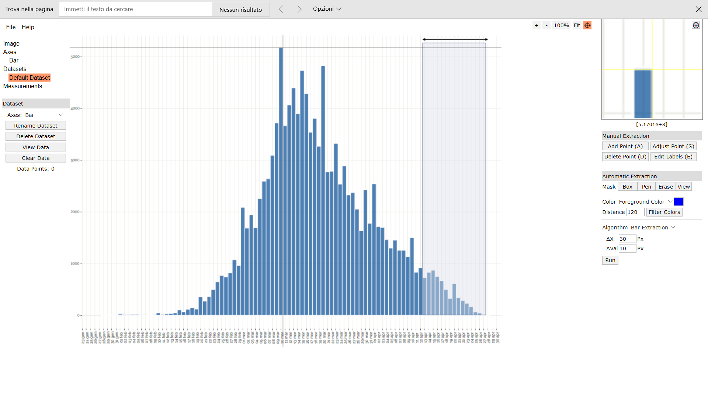
Digitizer example page
2020-02-11 | 42 |  |  | 7
2020-02-12 | 43 |  |  | 7
2020-02-13 | 44 |  |  | 7
2020-02-14 | 45 |  |  | 7
2020-02-15 | 46 |  |  | 7
2020-02-16 | 47 |  |  | 7
2020-02-17 | 48 |  |  | 7
2020-02-18 | 49 |  |  | 7
2020-02-19 | 50 |  |  | 7
2020-02-20 | 51 | 7 | 7 | 14 |  |  |  | 357 |  | 12943
2020-02-21 | 52 | 36 | 36 | 50 |  |  |  | 1872 |  | 63504
2020-02-22 | 53 | 55 | 55 | 105 |  |  |  | 2915 |  | 92455
2020-02-23 | 54 | 75 | 75 | 180 |  |  |  | 4050 |  | 120000
2020-02-24 | 55 | 90 | 90 | 270 |  |  |  | 4950 |  | 136890
2020-02-25 | 56 | 197 | 197 | 467 |  |  |  | 11032 |  | 284468
2020-02-26 | 57 | 280 | 280 | 747 |  |  |  | 15960 |  | 383320
2020-02-27 | 58 | 290 | 290 | 1037 |  |  |  | 16820 |  | 375840
2020-02-28 | 59 | 358 | 358 | 1395 |  |  |  | 21122 |  | 438550
2020-02-29 | 60 | 373 | 373 | 1768 |  |  |  | 22380 |  | 431188
2020-03-01 | 61 | 407 | 407 | 2175 |  |  |  | 24827 |  | 443223
2020-03-02 | 62 | 636 | 636 | 2811 |  |  |  | 39432 |  | 651264
2020-03-03 | 63 | 812 | 812 | 3623 |  |  |  | 51156 |  | 780332
2020-03-04 | 64 | 1081 | 1081 | 4704 |  |  |  | 69184 |  | 972900
2020-03-05 | 65 | 1310 | 1310 | 6014 |  |  |  | 85150 |  | 1101710
2020-03-06 | 66 | 1549 | 1549 | 7563 |  |  |  | 102234 |  | 1214416
2020-03-07 | 67 | 1413 | 1413 | 8976 |  |  |  | 94671 |  | 1030077
2020-03-08 | 68 | 1476 | 1476 | 10452 |  |  |  | 100368 |  | 997776
2020-03-09 | 69 | 2233 | 2233 | 12685 |  |  |  | 154077 |  | 1395625
2020-03-10 | 70 | 2467 | 2467 | 15152 |  |  |  | 172690 |  | 1420992
2020-03-11 | 71 | 2770 | 2770 | 17922 |  |  |  | 196670 |  | 1465330
2020-03-12 | 72 | 3151 | 3151 | 21073 |  |  |  | 226872 |  | 1525084
2020-03-13 | 73 | 4127 | 4127 | 25200 |  |  |  | 301271 |  | 1820007 |  |  |  |  |  |  |  |  |  |  |  |  |  |  |  | Author: Ankit Rohatgi Title: WebPlotDigitizer Website: https://automeris.io/WebPlotDigitizer Version: 4.2 Date: April, 2019 E-Mail: ankitrohatgi@hotmail.com Location: San Francisco, California, USA
2020-03-14 | 74 | 3566 | 3566 | 28766 |  |  |  | 263884 |  | 1426400
2020-03-15 | 75 | 2863 | 2863 | 31629 |  |  |  | 214725 |  | 1033543
2020-03-16 | 76 | 4816 | 4816 | 36445 |  |  |  | 366016 |  | 1560384
2020-03-17 | 77 | 5323 | 5323 | 41768 |  |  |  | 409871 |  | 1538347
2020-03-18 | 78 | 5680 | 5680 | 47448 |  |  |  | 443040 |  | 1454080
2020-03-19 | 79 | 5665 | 5665 | 53113 |  |  |  | 447535 |  | 1274625
2020-03-20 | 80 | 6212 | 6212 | 59325 |  |  |  | 496960 |  | 1217552
2020-03-21 | 81 | 4894 | 4894 | 64219 |  |  |  | 396414 |  | 827086
2020-03-22 | 82 | 3932 | 3932 | 68151 |  |  |  | 322424 |  | 566208
2020-03-23 | 83 | 6070 | 6070 | 74221 |  |  |  | 503810 |  | 734470
2020-03-24 | 84 | 5870 | 5870 | 80091 |  |  |  | 493080 |  | 587000
2020-03-25 | 85 | 5748 | 5748 | 85839 |  |  |  | 488580 |  | 465588
2020-03-26 | 86 | 5621 | 5621 | 91460 |  |  |  | 483406 |  | 359744
2020-03-27 | 87 | 5748 | 5748 | 97208 |  |  |  | 500076 |  | 281652
2020-03-28 | 88 | 4498 | 4498 | 101706 |  |  |  | 395824 |  | 161928
2020-03-29 | 89 | 2946 | 2946 | 104652 |  |  |  | 262194 |  | 73650
2020-03-30 | 90 | 5084 | 5084 | 109736 |  |  |  | 457560 |  | 81344
2020-03-31 | 91 | 5309 | 5309 | 115045 |  |  |  | 483119 |  | 47781
2020-04-01 | 92 | 4987 | 4987 | 120032 |  |  |  | 458804 |  | 19948
2020-04-02 | 93 | 4679 | 4679 | 124711 |  |  |  | 435147 |  | 4679
2020-04-03 | 94 | 4410 | 4410 | 129121 |  |  |  | 414540 |  | 0
2020-04-04 | 95 | 3659 | 3659 | 132780 |  |  |  | 347605 |  | 3659
2020-04-05 | 96 | 2594 | 2594 | 135374 |  |  |  | 249024 |  | 10376
2020-04-06 | 97 | 4054 | 4054 | 139428 |  |  |  | 393238 |  | 36486
2020-04-07 | 98 | 4181 | 4181 | 143609 |  |  |  | 409738 |  | 66896
2020-04-08 | 99 | 4762 | 4762 | 148371 |  |  |  | 471438 |  | 119050
2020-04-09 | 100 | 4679 | 4679 | 153050 |  |  |  | 467900 |  | 168444
2020-04-10 | 101 | 5133 | 5133 | 158183 |  |  |  | 518433 |  | 251517
2020-04-11 | 102 | 3390 | 3390 | 161573 |  |  |  | 345780 |  | 216960
2020-04-12 | 103 | 1891 | 1891 | 163464 |  |  |  | 194773 |  | 153171
2020-04-13 | 104 | 2218 | 2218 | 165682 |  |  |  | 230672 |  | 221800
2020-04-14 | 105 | 3278 | 3278 | 168960 |  |  |  | 344190 |  | 396638
2020-04-15 | 106 | 3976 | 3976 | 172936 |  |  |  | 421456 |  | 572544
2020-04-16 | 107 | 3624 | 3624 | 176560 |  |  |  | 387768 |  | 612456
2020-04-17 | 108 | 3468 | 3468 | 180028 |  |  |  | 374544 |  | 679728
2020-04-18 | 109 | 2663 | 2663 | 182691 |  |  |  | 290267 |  | 599175
2020-04-19 | 110 | 1369 | 1369 | 184060 |  |  |  | 150590 |  | 350464
2020-04-20 | 111 | 3043 | 3043 | 187103 |  |  |  | 337773 |  | 879427
2020-04-21 | 112 | 3043 | 3043 | 190146 |  |  |  | 340816 |  | 985932
2020-04-22 | 113 | 2599 | 2599 | 192745 |  |  |  | 293687 |  | 938239
2020-04-23 | 114 | 2824 | 2824 | 195569 |  |  |  | 321936 |  | 1129600
2020-04-24 | 115 | 2697 | 2697 | 198266 |  |  |  | 310155 |  | 1189377
2020-04-25 | 116 | 1662 | 1662 | 199928 |  |  |  | 192792 |  | 804408
2020-04-26 | 117 | 1017 | 1017 | 200945 |  |  |  | 118989 |  | 537993
2020-04-27 | 118 | 1964 | 1964 | 202909 |  |  |  | 231752 |  | 1131264
2020-04-28 | 119 | 2233 | 2233 | 205142 |  |  |  | 265727 |  | 1395625
2020-04-29 | 120 | 2311 | 2311 | 207453 |  |  |  | 277320 |  | 1562236
2020-04-30 | 121 | 2267 | 2267 | 209720 |  |  |  | 274307 |  | 1652643
2020-05-01 | 122 | 1105 | 1105 | 210825 |  |  |  | 134810 |  | 866320
2020-05-02 | 123 | 988 | 988 | 211813 |  |  |  | 121524 |  | 830908
2020-05-03 | 124 | 514 | 514 | 212327 |  |  |  | 63736 |  | 462600
2020-05-04 | 125 | 1442 | 1442 | 213769 |  |  |  | 180250 |  | 1385762
2020-05-05 | 126 | 1540 | 1540 | 215309 |  |  |  | 194040 |  | 1576960
2020-05-06 | 127 | 1413 | 1413 | 216722 |  |  |  | 179451 |  | 1538757
2020-05-07 | 128 | 1374 | 1374 | 218096 |  |  |  | 175872 |  | 1588344
2020-05-08 | 129 | 1374 | 1374 | 219470 |  |  |  | 177246 |  | 1683150
2020-05-09 | 130 | 754 | 754 | 220224 |  |  |  | 98020 |  | 977184
2020-05-10 | 131 | 368 | 368 | 220592 |  |  |  | 48208 |  | 503792
2020-05-11 | 132 | 910 | 910 | 221502 |  |  |  | 120120 |  | 1314040
2020-05-12 | 133 | 929 | 929 | 222431 |  |  |  | 123557 |  | 1413009
2020-05-13 | 134 | 895 | 895 | 223326 |  |  |  | 119930 |  | 1432000
2020-05-14 | 135 | 910 | 910 | 224236 |  |  |  | 122850 |  | 1529710
2020-05-15 | 136 | 788 | 788 | 225024 |  |  |  | 107168 |  | 1390032
2020-05-16 | 137 | 617 | 617 | 225641 |  |  |  | 84529 |  | 1140833
2020-05-17 | 138 | 295 | 295 | 225936 |  |  |  | 40710 |  | 571120
2020-05-18 | 139 | 661 | 661 | 226597 |  |  |  | 91879 |  | 1338525
2020-05-19 | 140 | 729 | 729 | 227326 |  |  |  | 102060 |  | 1542564
2020-05-20 | 141 | 680 | 680 | 228006 |  |  |  | 95880 |  | 1502120
2020-05-21 | 142 | 617 | 617 | 228623 |  |  |  | 87614 |  | 1421568
2020-05-22 | 143 | 695 | 695 | 229318 |  |  |  | 99385 |  | 1668695
2020-05-23 | 144 | 358 | 358 | 229676 |  |  |  | 51552 |  | 895000
2020-05-24 | 145 | 143 | 143 | 229819 |  |  |  | 20735 |  | 371943
2020-05-25 | 146 | 539 | 539 | 230358 |  |  |  | 78694 |  | 1457456
2020-05-26 | 147 |  |  |  | 578 | 578 | 230936 |  | 84966
2020-05-27 | 148 |  |  |  | 539 | 539 | 231475 |  | 79772
2020-05-28 | 149 |  |  |  | 524 | 524 | 231999 |  | 78076
2020-05-29 | 150 |  |  |  | 373 | 373 | 232372 |  | 55950
2020-05-30 | 151 |  |  |  | 285 | 285 | 232657 |  | 43035
2020-05-31 | 152 |  |  |  | 85 | 85 | 232742 |  | 12920
2020-06-01 | 153 |  |  |  | 397 | 397 | 233139 |  | 60741
2020-06-02 | 154 |  |  |  | 85 | 85 | 233224 |  | 13090
2020-06-03 | 155 |  |  |  | 309 | 309 | 233533 |  | 47895
2020-06-04 | 156 |  |  |  | 363 | 363 | 233896 |  | 56628
2020-06-05 | 157 |  |  |  | 343 | 343 | 234239 |  | 53851
2020-06-06 | 158 |  |  |  | 163 | 163 | 234402 |  | 25754
2020-06-07 | 159 |  |  |  | 70 | 70 | 234472 |  | 11130
2020-06-08 | 160 |  |  |  | 80 | 80 | 234552 |  | 12800

